Flags
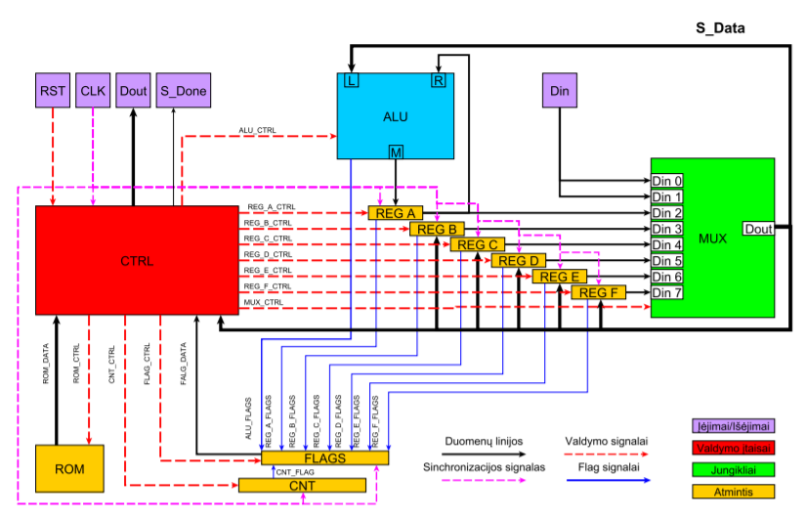

FLAGS
1 | A REG_FLAG_H = 1
2 | A REG_FLAG_L = 1
3 | B REG_FLAG_H = 1
4 | B REG_FLAG_L = 1
5 | C REG_FLAG_H = 1
6 | C REG_FLAG_L = 1
7 | D REG_FLAG_H = 1
8 | D REG_FLAG_L = 1
9 | E REG_FLAG_H = 1
10 | E REG_FLAG_L = 1
11 | F REG_FLAG_H = 1
12 | F REG_FLAG_L = 1
13 | CNT = 0

